Sheet1
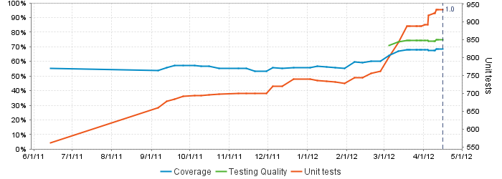
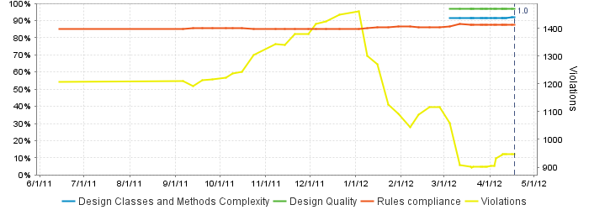
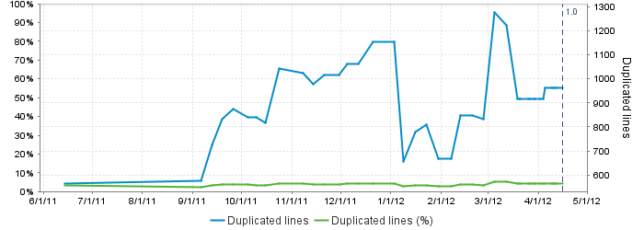
Code Test Coverage By Package
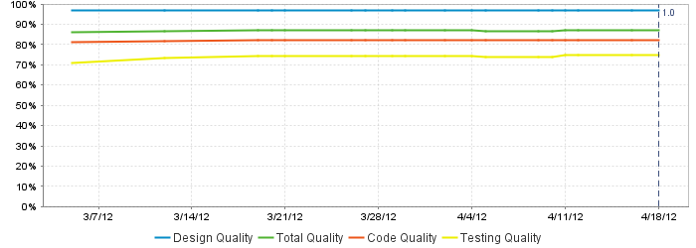
MAP StampStorage Programming Metrics 04/18/2012
Device | 87.80%
MesParser | 17.10%
MesProxy | 41.20%
StampStorageDomain | 83.90%
StampStorageService | 92.30%
StampStorageWeb | 98.60%
Total Code Coverage | 68.40%

